mapping suggest for gold 202207
Source |  |  |  |  | (Suggest 1) - Map to |  |  |  |  | (Suggest 2) - Map to
code in lookup | immstype | prodcode | non generic productname | gemscriptcode | concept_name | concept id | vocab | concept_class_id | Standard_concept | concept_name | concept id | vocab | concept_class_id | Standard_concept
132 | COVOXFORD | 83126 | COVID-19 Vaccine AstraZeneca (ChAdOx1 S [recombinant]) 5x10,000,000,000 viral particles/0.5ml dose solution for injection multidose vials (AstraZeneca UK Ltd) | 95963021 | SARS-COV-2 (COVID-19) vaccine, vector non-replicating, recombinant spike protein-ChAdOx1, preservative free, 0.5 mL | 724905 | CVX | CVX | Standard | SARS-COV-2 (COVID-19) vaccine, vector non-replicating, recombinant spike protein-ChAdOx1, preservative free, 0.5 mL | 724905 | CVX | CVX | Standard
133 | COVPFIZER | 83125 | COVID-19 mRNA Vaccine BNT162b2 30micrograms/0.3ml dose concentrate for suspension for injection multidose vials (Pfizer-BioNTech) (Pfizer-BioNTech) | 95574021 | SARS-CoV-2 (COVID-19) vaccine, mRNA-BNT162b2 0.1 MG/ML Injectable Suspension | 37003436 | RxNorm | Clinical Drug | Standard | SARS-COV-2 (COVID-19) vaccine, mRNA, spike protein, LNP, preservative free, 30 mcg/0.3mL dose | 724907 | CVX | CVX | Non-standard
135 | COVMODERNA | 83987 | COVID-19 mRNA (nucleoside modified) Vaccine Moderna 0.1mg/0.5ml dose dispersion for injection multidose vials (Moderna, Inc) | 96969021 | SARS-CoV-2 (COVID-19) vaccine, mRNA-1273 0.2 MG/ML Injectable Suspension | 37003518 | RxNorm | Clinical Drug | Standard | SARS-COV-2 (COVID-19) vaccine, mRNA, spike protein, LNP, preservative free, 100 mcg/0.5mL dose or 50 mcg/0.25mL dose | 724906 | CVX | CVX | Non-standard
134 | COVJANSSEN | 85364 | COVID-19 Vaccine Janssen (Ad26.COV2-S [recombinant]) 0.5ml dose suspension for injection multidose vials (Janssen-Cilag Ltd) | 96497021 | SARS-COV-2 (COVID-19) vaccine, vector - Ad26 100000000000 UNT/ML Injectable Suspension | 739906 | RxNorm | Clinical Drug | Standard | SARS-COV-2 (COVID-19) vaccine, vector non-replicating, recombinant spike protein-Ad26, preservative free, 0.5 mL | 702866 | CVX | CVX | Non-standard
127 | COVOTHER |  |  |  | (SARS-COV-2 (COVID-19) vaccine, UNSPECIFIED) | 724904 | CVX | CVX | Standard | (SARS-COV-2 (COVID-19) vaccine, UNSPECIFIED) | 724904 | CVX | CVX | Standard
130 | COVTALENT
143 | COVVALNEVA
145 | COVNOVAVAX

covid 19 vaccination from immunisation only has immstype, immunisation records can also come from clinical
Medical History Entry of '65F0800 Immunisation course to maintain protection against SARS-CoV-2': -> Procedure -> no effect
608585 | Immunisation course to maintain protection against SARS-CoV-2 (severe acute respiratory syndrome coronavirus 2) | Procedure

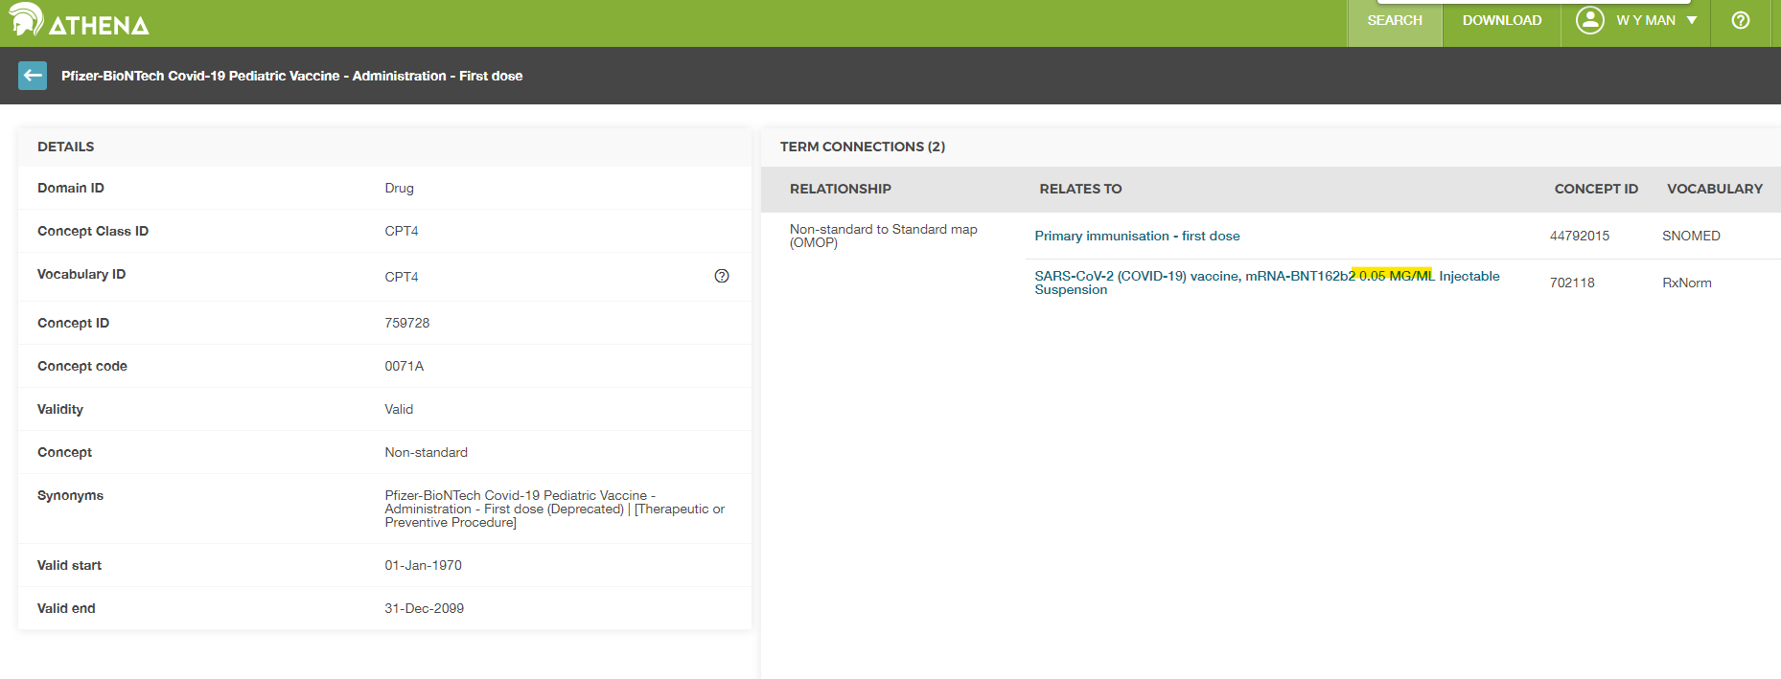

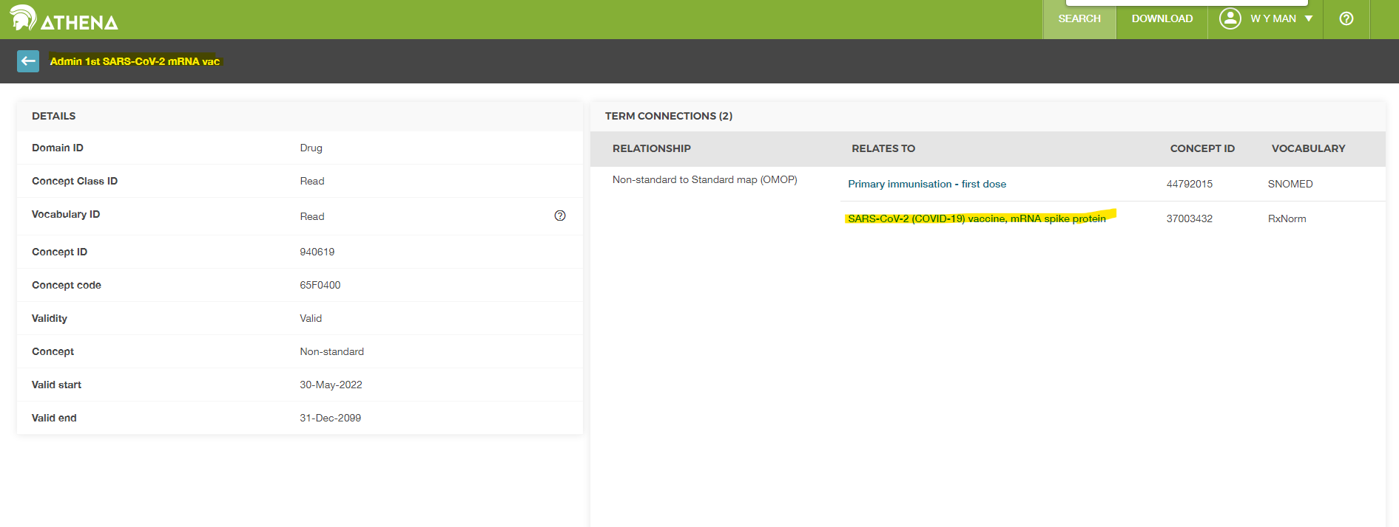

 |  |  |  |  |  |  |  |  |  | Can't classify the brand

